EXERCISE 10
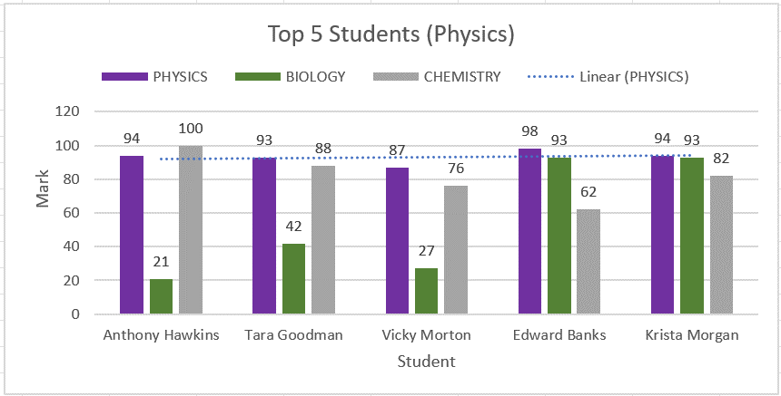
EXERCISE 10

CREATING A CHART | LOOKING UP INFORMATION
1. On the 'Charts' worksheet, format the data as a table.
2. Name the table 'Top_5_Physics'.
3. Apply a filter to the 'Physics' column to show the Top 5 students.
4. Create a '2D Clustered Column' chart.
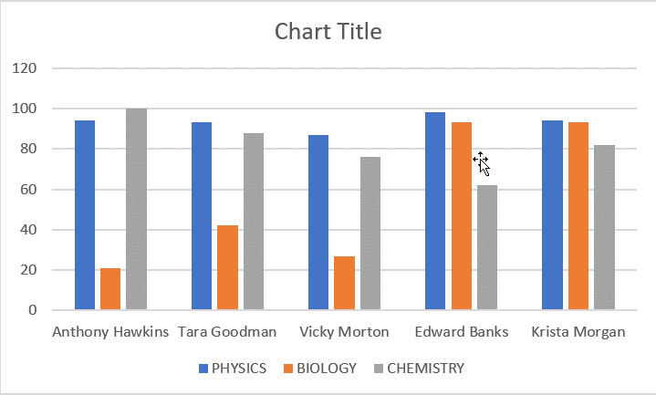

EDITING A CHART
1. Add the Chart Title 'Top 5 Students (Physics)'
2. Move the 'Legend' to the top.
3. Add 'Axis Labels' to the horizontal and vertical axis.
4. Add 'Data Labels' to the outside edge.
5. Change the color of the data bars.
6. Add a trendline to show the trend of the 'Physics' mark.

